Foglio1
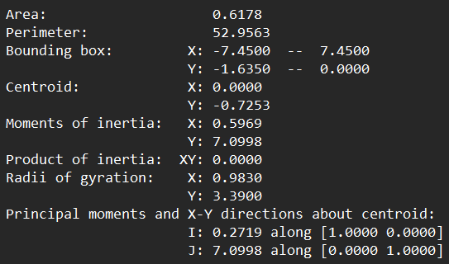
Section modulus W _ Deck

Moment of inertia Ix | Unit | Max distance from the centroid | Unit | Deck elastic section modulus Wel | Unit
0.5969 | m^4 | 0.9097 | m | 0.6562 | m^3

Max deck cross-section height | Unit
1.635 | m

Centroid y coordinate | Unit
0.7253 | m

From "MASSPROP", AutoCAD, the following values are given (red values are used):

